Sheet1
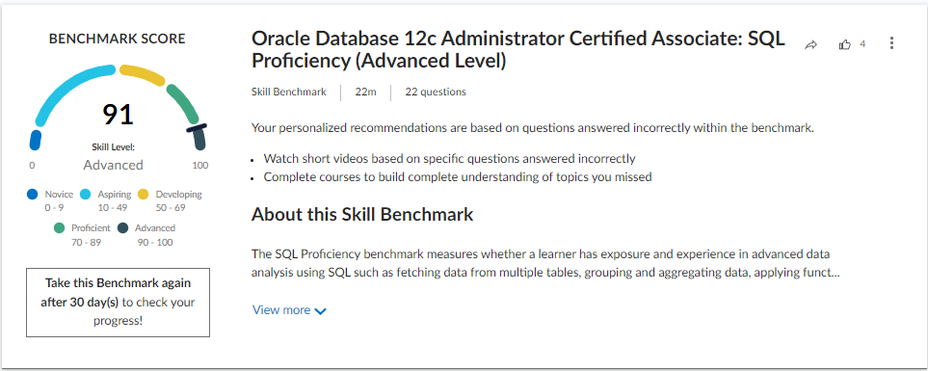
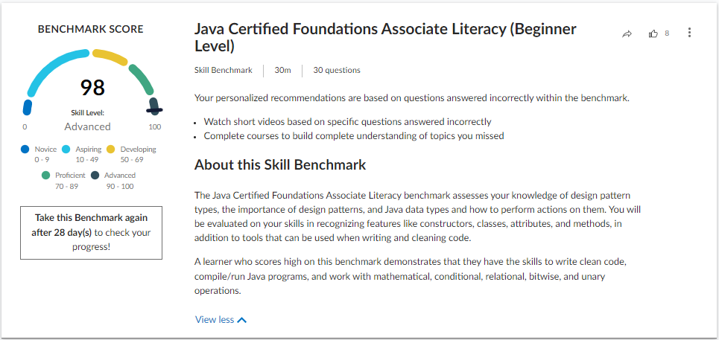
Percipio Skill Benchmark Java Certified Foundations Associate Literacy (Beginner Level)

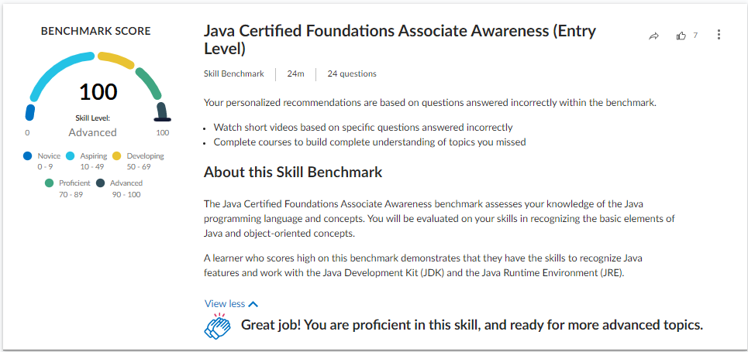
Percipio Skill Benchmark Java Certified Foundations Associate Awareness (Entry Level)

Percipio Skill Benchmark Java Certified Foundations Associate Competency (Intermediate Level)
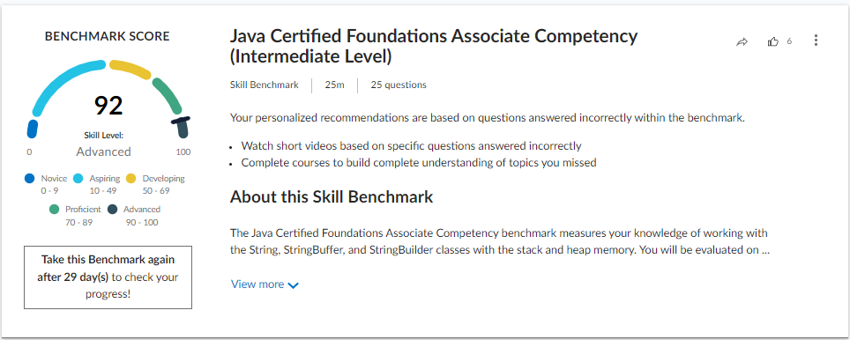

Percipio Skill Benchmark Java Certified Foundations Associate Proficiency (Advanced Level)
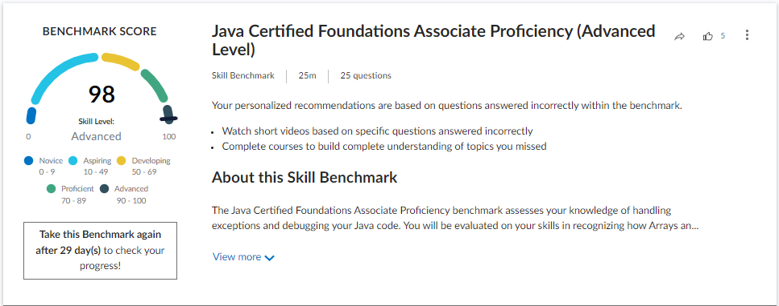

Percipio Skill Benchmark Oracle Database 12c Administrator Certified Associate: SQL Competency (Intermediate Level)
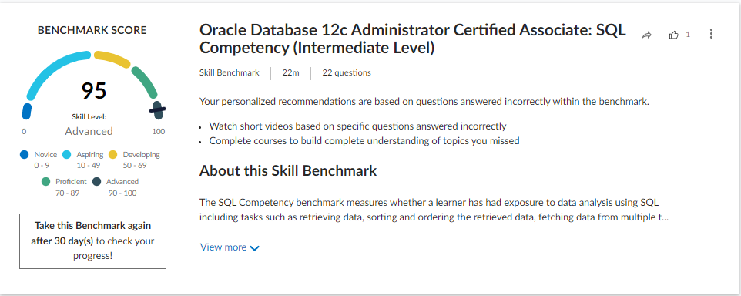

Percipio Skill Benchmark Oracle Database 12c Administrator Certified Associate: SQL Proficiency (Advanced Level)

